Feuil1
CUMUL TRIPACK DIESEL 1 ERE ET 2 EME LIVRAISON

full papers - delivery immediate
picture | ref | type | color | S | M | L | XL | TOTAL
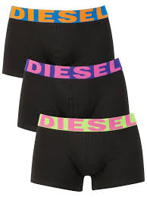 | OGAPG | SHAWN TRIPACK | 9 | 810 | 1620 | 1620 | 810 | 4860
1 ERE LIVRAISON | OGAPG | SHAWN TRIPACK | 9 | 150 | 250 | 250 | 150 | 800
CUMUL 1 ET 2 EME LIV |  |  |  | 960 | 1870 | 1870 | 960 |  | 5660
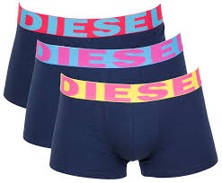 | OGAPG | SHAWN TRIPACK | 6 | 648 | 1296 | 1296 | 648 | 3888
1 ERE LIVRAISON | OGAPG | SHAWN THREEPACK | 6 | 180 | 400 | 400 | 200 | 1180
CUMUL 1 ET 2 EME LIV |  |  |  | 828 | 1696 | 1696 | 848 |  | 5068
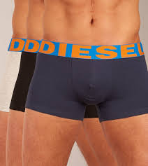 | OGAPG | SHAWN TRIPACK | 8 | 567 | 1134 | 1134 | 567 | 3402
1 ERE LIVRAISON | OGAPG | SHAWN THREEPACK | 8 | 200 | 600 | 600 | 200 | 1600
CUMUL 1 ET 2 EME LIV |  |  |  | 767 | 1734 | 1734 | 767 |  | 5002
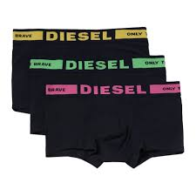 | ABAOF | KORY TRIPACK | 9 | 648 | 1296 | 1296 | 648 | 3888
1 ERE LIVRAISON | OBAOF | KORY THREEPACK | 9 | 288 | 579 | 579 | 287 | 1733
CUMUL 1 ET 2 EME LIV |  |  |  | 936 | 1875 | 1875 | 935 |  | 5621
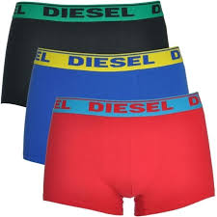 | OGAFN | SHAWN TRIPACK | 36 | 810 | 1620 | 1620 | 810 | 4860
1 ERE LIVRAISON | OGAFN | SHAWN THREEPACK | 36 | 120 | 255 | 257 | 126 | 758
CUMUL 1 ET 2 EME LIV |  |  |  | 930 | 1875 | 1877 | 936 |  | 5618

 |  |  |  |  |  |  |  | 26969 | 26969

 |  | 1 ERE LIVRAISON

 | REF. | MOD. | COL. |  | S | M | L | XL |  | TOTAL

 | OGAPG | SHAWN THREEPACK | 9 |  | 150 | 250 | 250 | 150 |  | 800
 | OGAPG | SHAWN THREEPACK | 6 |  | 180 | 400 | 400 | 200 |  | 1180
 | OGAPG | SHAWN THREEPACK | 8 |  | 200 | 600 | 600 | 200 |  | 1600
 | OBAOF | KORY THREEPACK | 9 |  | 288 | 579 | 579 | 287 |  | 1733
 | OGAFN | SHAWN THREEPACK | 36 |  | 120 | 255 | 257 | 126 |  | 758
 |  |  |  |  |  |  |  |  |  | 6071

